Visuals
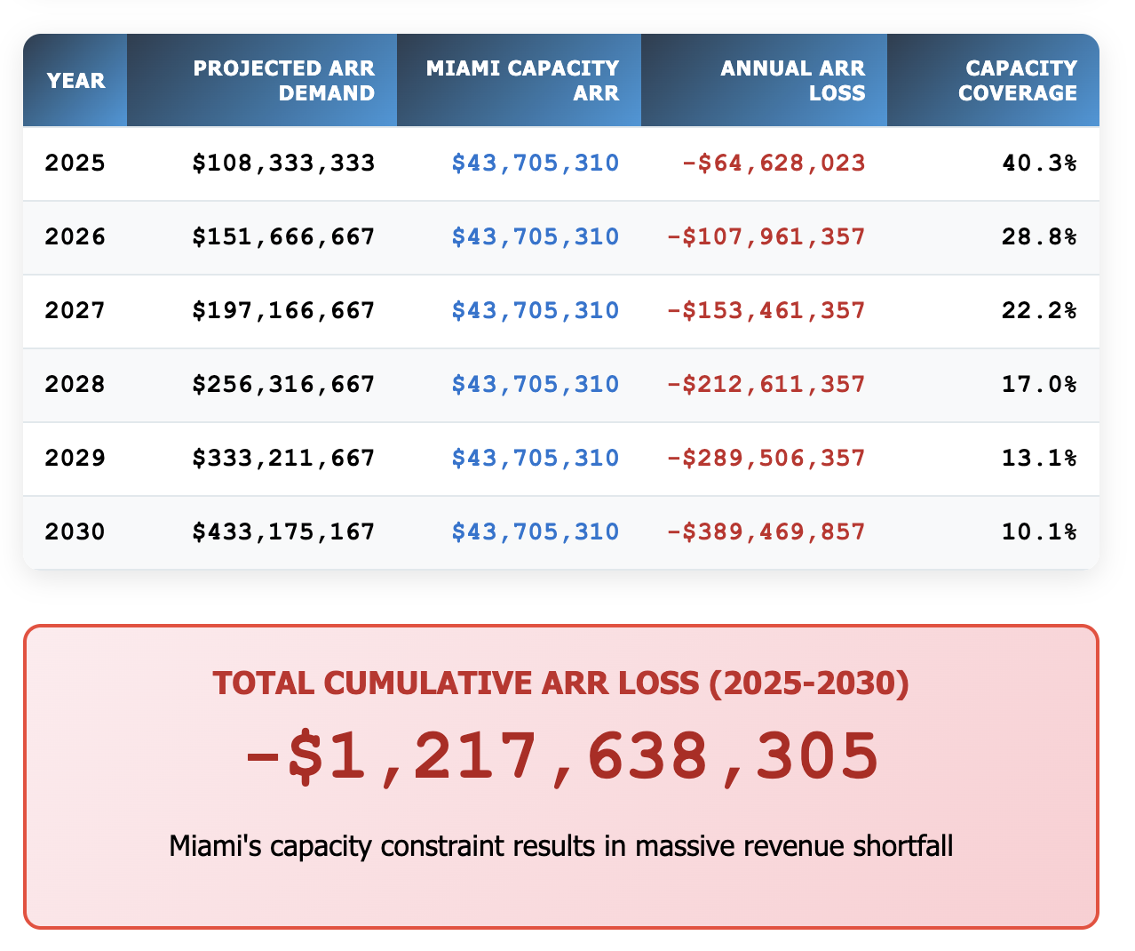
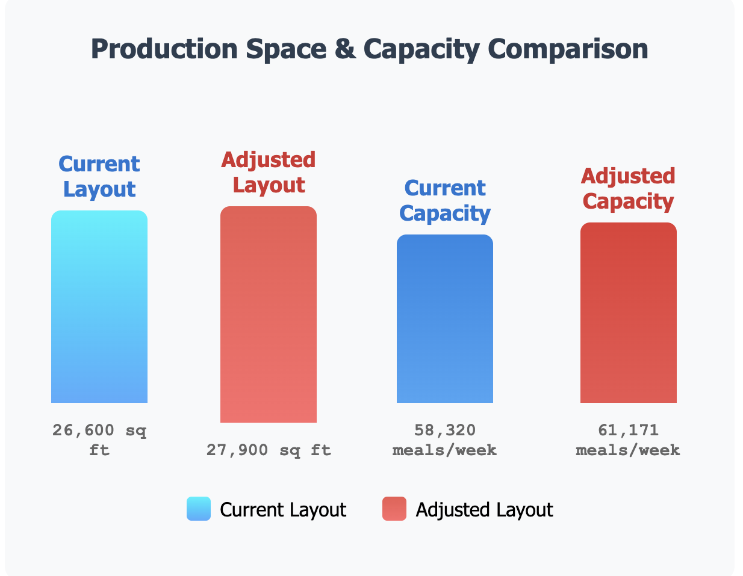
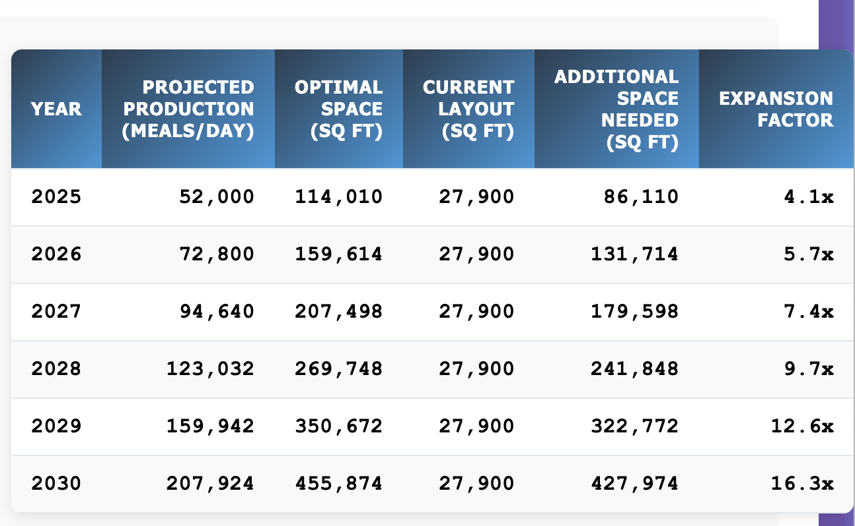
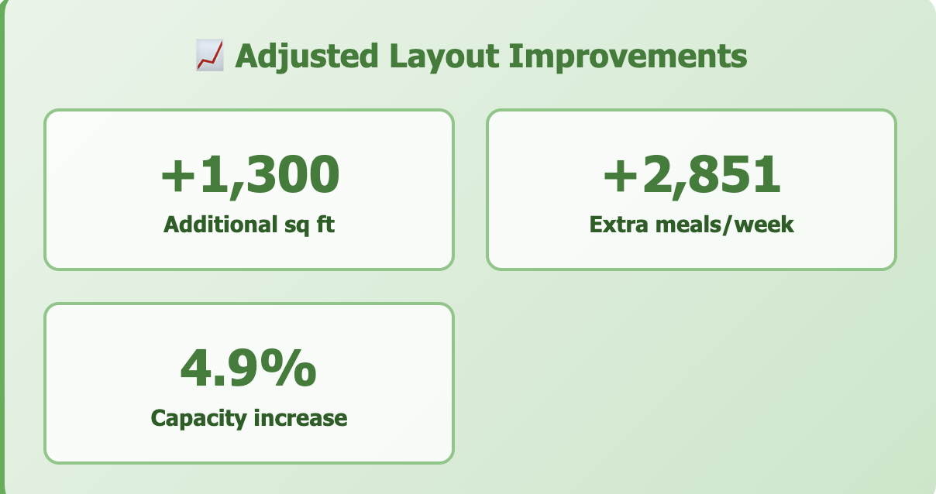
Important: The Capacity is calculated based on the Adjusted Space Allocation made by my analysis.

Summary
 |  | Summary/Final Recommendation

1 | Based on our calculations, Capacity of the Potential Miami Site (with the revised production layout) will not be able to meet projected demand in 2025. The maximum of production capacity is 61,171 meals/week. I recommend that we adjust the space allocation as recommended as it increases productivity by %5. (Review table in Space allocation analysis tab) With Maximum Capacity and revised reallocation, Miami can produce $43,705,310.24 of ARR. If Space does not get expanded or a new location is not signed, the Potential site with the adjusted layout will lose - $1,217,638,305.23 by 2030. Major Capacity adjustments will need to be made to meet projected demand. Finding Additional Satellite locations will be very important for production health.

2
3
4
5

 |  |  | 3)

4)

5)



 | 1)

